Sheet1
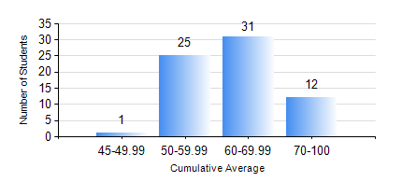
 |  |  | KWAME NKRUMAH UNIVERSITY OF SCIENCE AND TECHNOLOGY, KUMASI Department of Mechanical Engineering

 |  |  | BSC. MARINE ENG.

 |  |  | COMPREHENSIVE RECORD OF EXAMINATION RESULTS

 |  |  | RESULTS OF YEAR 4 SECOND SEMESTER, 2024/2025 ACADEMIC YEAR

 | Sn | Course Code |  | Course Name | Credit Hours | Min. Mark | Max. Mark | Avg. Mark | Std. Dev. | No. Passed | No. Trailed | No. (Df) | No. (I) | No. (I*) | No. Tagged(I,I*,Df) | Total
 | 0. |  |  |  |  |  |  | 0 | 0 | 0 | 0 | 0 | 0 | 0 | 0 | 1
 | 1. | MME 462 |  | MARINE CONTROL ENGINEERING AND AUTOMATION | 3 | 45 | 91 | 75 | 10.47 | 68 | 0 | 0 | 0 | 0 | 0 | 68
 | 2. | MME 476 |  | SHIP CONSTRUCTION | 3 | 40 | 79 | 65 | 7.44 | 68 | 0 | 0 | 0 | 0 | 0 | 68
 | 3. | MME 482 |  | NAVAL ARCHITECTURE II | 2 | 63 | 99 | 83 | 10.6 | 68 | 0 | 0 | 0 | 0 | 0 | 68
 | 4. | MME 486 |  | SHIP SAFETY, ENVIRONMENTAL PROTECTION AND SAFE WATCH KEEPING | 2 | 46 | 87 | 75 | 7.46 | 68 | 0 | 0 | 0 | 0 | 0 | 68
 | 5. | MME 492 |  | SHIP OPERATION, REGULATION AND MANAGEMENT | 2 | 43 | 91 | 76 | 9.14 | 68 | 0 | 0 | 0 | 0 | 0 | 68
 | 6. | MME 494 |  | MARINE MAINTENANCE ENGINEERING | 2 | 41 | 85 | 65 | 11.69 | 68 | 0 | 0 | 0 | 0 | 0 | 68
 | 7. | MME 498 |  | FINAL YEAR PROJECT II | 5 | 69 | 77 | 73 | 2.33 | 68 | 0 | 0 | 0 | 0 | 0 | 68

